Recommender system
 |  |  |  |  |  |  |  |  |  | SVD:
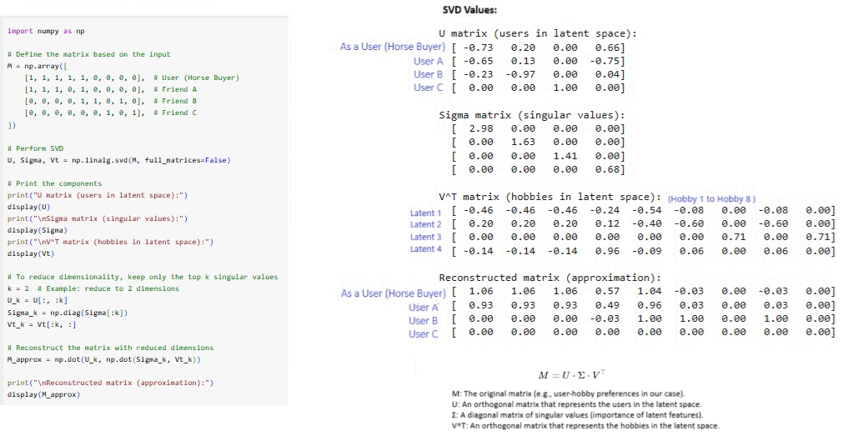

 |  |  |  |  |  |  |  |  |  | With Respect to User:
 |  |  |  |  |  |  |  |  |  | Metric | User A | User B | User C | Range | Formula | Brief Overview
 |  |  |  |  |  |  |  |  |  | Correlation | 0.55 | -0.32 | -0.60 | -1 to 1 | pearsonr(user, friend) | Linear relationship between User and friend interests.
 |  |  |  |  |  |  |  |  |  | Cosine Similarity | 0.80 | 0.26 | 0.00 | 0 to 1 | 1 - cosine(user, friend) | Measures angle similarity between User and friend.
 |  |  |  |  |  |  |  |  |  | Jaccard Similarity | 0.67 | 0.14 | 0.00 | 0 to 1 | 1 - jaccard(user, friend) | Ratio of common interests to total unique interests.
Hobbies | Football | Hiking | Climbing | Animal Caretaking | Reading | Running | Singing | Writing | Bicycling | Euclidean Distance | 1.41 | 2.45 | 2.65 | 0 to infinity | sqrt(sum((user - friend)^2)) | Measures straight-line distance in interest space. Less is nearby.
User (Movie Viewer) | 1 | 1 | 1 | 1 | 1 | 0 | 0 | 0 | 0 | Hamming Distance | 0.22 | 0.67 | 0.78 | 0 to 1 | mean(user != friend) | Counts differing interests between User and friend.
User A | 1 | 1 | 1 | 1 | 0 | 1 | 0 | 0 | 0 | Manhattan Distance | 2.00 | 6.00 | 7.00 | 0 to infinity | sum(abs(user - friend)) | Sum of absolute differences in interests.
User B | 0 | 0 | 0 | 0 | 1 | 0 | 1 | 1 | 0 | Bhattacharyya Distance | 4.00 | 1.00 | 0.00 | 0 to 1 | sum(sqrt(user * friend)) | Similarity approximation for binary interest data.
User C | 0 | 0 | 0 | 0 | 0 | 0 | 1 | 0 | 1 | Kullback-Leibler Divergence | 4.61 | 17.91 | 22.11 | 0 to infinity | entropy(user + 1e-10, friend + 1e-10) | Divergence in probability distribution space.

Datasets
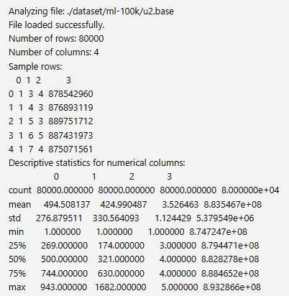
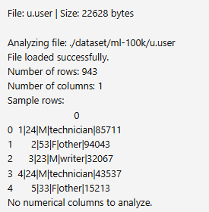
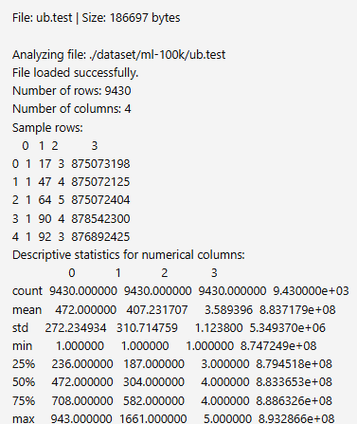
Name | Size | Ratings | Users | Movies | Format | Notes | Key Files and Their Purpose (Movie Lens 100k Datasets)
ML-100K | ~5 MB | 100,000 | 943 | 1,682 | Tab-separated text | Good for quick prototyping | u.data
ML-1M | ~6 MB | 1,000,209 | 6,040 | 3,952 | Double-colon :: | Common benchmark (used in your script) | Size: 1.98MB
ML-10M | ~70 MB | 10,000,054 | 69,878 | 10,677 | Tab-separated csv | No user metadata | Rows: 100,000 (100K ratings)
ML-20M | ~250 MB | 20,000,263 | 138,493 | 27,278 | csv | Adds genre, tag, timestamp support | Columns: 4 (UserID, MovieID, Rating, Timestamp)
ML-25M | ~300 MB | 25,000,095 | 162,541 | 62,423 | csv | Largest stable version; widely used | Purpose: The main ratings dataset containing user ratings for different movies.
ML-Latest-Small | ~1 MB | 100,836 | 610 | 9,742 | csv | Updated version for demo & small experiments
ML-Latest | >350 MB | 27+ million | ~280,000+ | ~58,000+ | csv | Actively growing; updated regularly | u.user
 |  |  |  |  |  |  | Size: 22KB
 |  |  |  |  |  |  | Rows: 943 (Number of users)
 |  |  |  |  |  |  | Columns: 1 (Delimited values: UserID | Age | Gender | Occupation | Zipcode)
 |  |  |  |  |  |  | Purpose: Contains demographic information about users.

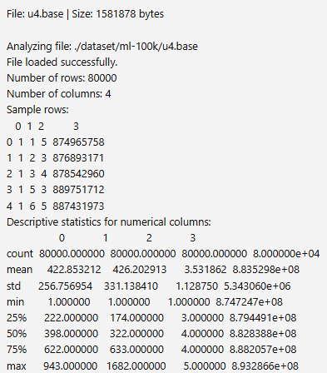
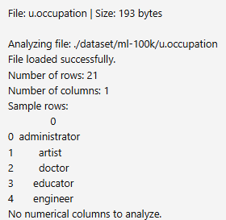
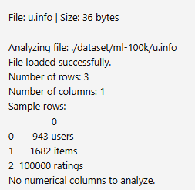
 |  |  |  |  |  |  | u.item (not listed but typically present)
 |  |  |  |  |  |  | Size: ~230KB
 |  |  |  |  |  |  | Rows: 1682 (Number of movies)
 |  |  |  |  |  |  | Columns: MovieID | MovieTitle | ReleaseDate | VideoReleaseDate | IMDbURL | Genre (19 categories)
 |  |  |  |  |  |  | Purpose: Contains metadata about movies.

 |  |  |  |  |  |  | u.genre
 |  |  |  |  |  |  | Size: 202 bytes
 |  |  |  |  |  |  | Rows: 19 (Number of genres)
 |  |  |  |  |  |  | Columns: 1 (GenreName | GenreID)
 |  |  |  |  |  |  | Purpose: Lists all movie genres.

 |  |  |  |  |  |  | u.occupation
 |  |  |  |  |  |  | Size: 193 bytes
 |  |  |  |  |  |  | Rows: 21 (Number of occupations)
 |  |  |  |  |  |  | Columns: 1 (Occupation Name)
 |  |  |  |  |  |  | Purpose: Lists different occupations users might have.

 |  |  |  |  |  |  | u.info
 |  |  |  |  |  |  | Size: 36 bytes
 |  |  |  |  |  |  | Rows: 3
 |  |  |  |  |  |  | Columns: 1
 |  |  |  |  |  |  | Purpose: Summarizes dataset stats (943 users, 1682 items, 100,000 ratings).

 |  |  |  |  |  |  | README
 |  |  |  |  |  |  | Size: 6.75KB
 |  |  |  |  |  |  | Purpose: Documentation about the dataset. It seems to have a parsing issue at line 42.
 |  |  |  |  |  |  | Subset Files for Cross-Validation

 |  |  |  |  |  |  | Train Sets (u1.base, u2.base, etc.)
 |  |  |  |  |  |  | Size: ~1.58MB each
 |  |  |  |  |  |  | Rows: 80,000
 |  |  |  |  |  |  | Purpose: These are pre-split training sets for cross-validation.

 |  |  |  |  |  |  | Test Sets (u1.test, u2.test, etc.)
 |  |  |  |  |  |  | Size: ~390KB each
 |  |  |  |  |  |  | Rows: 20,000
 |  |  |  |  |  |  | Purpose: These are pre-split test sets for validation.

 |  |  |  |  |  |  | Alternative Split (ua.base, ub.base, etc.)
 |  |  |  |  |  |  | Size: ~1.79MB
 |  |  |  |  |  |  | Rows: 90,570
 |  |  |  |  |  |  | Purpose: Another method of splitting the dataset for testing models.

 |  |  |  |  |  |  | Shell Script (mku.sh)
 |  |  |  |  |  |  | Size: 643 bytes
 |  |  |  |  |  |  | Error: Unexpected end of data
 |  |  |  |  |  |  | Purpose: Likely a script for setting up or preprocessing data.

RC Results
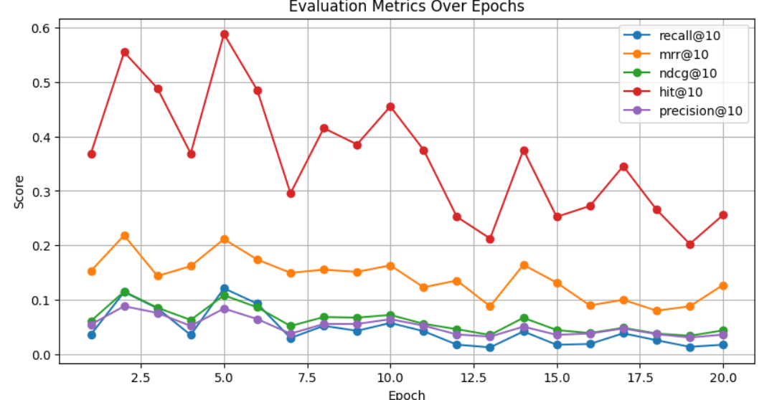
Aspect | BERT4Rec | GRU4Rec | SAS4Rec
Model Architecture | Transformer-based (Bidirectional Encoder). | RNN-based (GRU layers for sequence modeling). | Transformer-based (Unidirectional with self-attention).
Sequence Modeling | Bidirectional, capturing both past and future context effectively. | Unidirectional, focuses on past interactions. | Unidirectional, focuses on past interactions but leverages self-attention for better context.
Performance | Excellent for long-term dependencies and sparse data. | Strong for short-term sequences but struggles with long-term dependencies. | Effective for both short-term and long-term sequences due to self-attention.
Computational Efficiency | Computationally expensive due to the Transformer architecture. | Computationally efficient for shorter sequences. | Moderate computational cost (less than BERT but more than GRU).
Use Cases | Best for scenarios requiring context-aware recommendations (e.g., movies, music). | Good for session-based recommendations (e.g., e-commerce, clickstreams). | Suitable for both session-based and longer interaction sequences.
Attention Mechanism | Utilizes bidirectional self-attention for context encoding. | Does not use self-attention; relies on RNN's sequential nature. | Employs unidirectional self-attention for context encoding.
Limitations | High resource requirements, may overfit on small datasets. | Struggles with very long sequences, losing distant context. | Requires careful tuning to balance performance and efficiency.

Input:
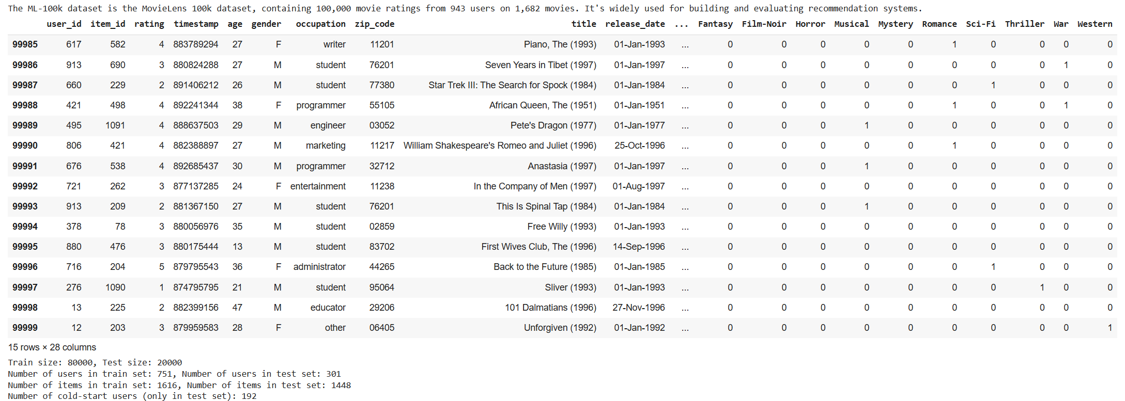
 |  |  | GRU4REC: Result

